Judges score
JUDGES SHEET - OFFICIAL MEASUREMENTS

RODEO | BUTLER, MO |  |  | DATE | June 19, 20, 21 2026

Steer Wrestling Barrier
Tie Down Barrier
Breakaway Barrier
Team Roping Barrier
Steer Roping Barrier

Barrel Racing Pattern Measurements

Feet from Fence |  | Score line to 1st barrel

Score line to Fence |  | Feet from 1st barrel to 2nd barrel

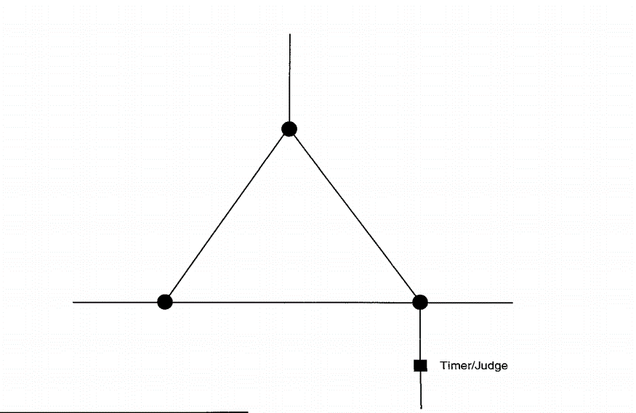

Judges Signaure |  |  | Judges Signature

